Points Championship
SSA Virtual Equitation Series
2023/24 Points Championship
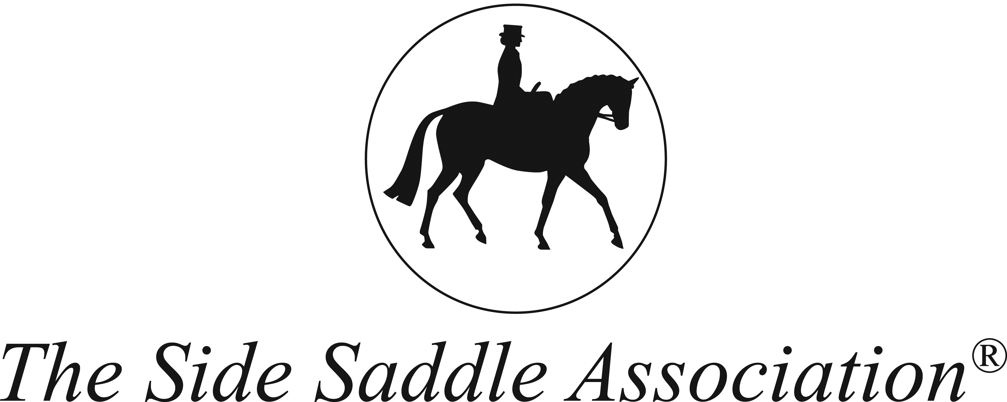

Abbreviations: Newcomers NC Junior Novice JN Junior Open JO Adult Novice AN Adult Intermediate AI Adult Open AO Riding School RS

 |  | Month 1 |  |  | Month 2 |  |  | Month 3 |  |  | Month 4 |  |  | Month 5 |  |  | Month 6 |  |  | Sub Total |  | Pl.
Rider | Area | % | Col | Pts | % | Col | Pts | % | Col | Pts | % | Col | Pts | % | Col | Pts | % | Col | Pts | Col | Pts
JUNIOR
Jemima Somerfield JO | 12 | 75.6 | 139.0 | 9 | 81.5 | 155.0 | 10 | 66.2 | 126 | 5 | 85 | 152 | 10 |  |  |  |  |  |  | 572.0 | 34 | 1
Georgia Senior JN | 12 | 78.0 | 144.0 | 10 | 72.5 | 147.0 | 8 | 70.4 | 136.5 | 7 | 74.8 | 143 | 9 |  |  |  |  |  |  | 570.5 | 34 | 2
Amelia Webb NC | 5 | 50.5 | 67.0 | 0 | 78.8 | 99.0 | 10 | 69.7 | 84.5 | 6 | 72.5 | 87.5 | 8 |  |  |  |  |  |  | 338.0 | 24 | 3
Elsie Ivell LR | 4 |  |  |  |  |  |  |  |  |  | 77.1 | 92.5 | 10 |  |  |  |  |  |  | 92.5 | 10 | 4
Michaela Trappe NC |  |  |  |  |  |  |  |  |  |  | 75 | 89 | 9 |  |  |  |  |  |  | 89.0 | 9 | 5
RIDING SCHOOL
Lois Helden NC | 4 | 59.4 | 71.0 | 1 | 74.4 | 88.0 | 9 | 73.3 | 89 | 8 | 78.6 | 94.5 | 10 |  |  |  |  |  |  | 342.5 | 28 | 1
April Edwards AN | 12 | 71.2 | 126.0 | 7 | 72.1 | 141.0 | 8 | 67.5 | 129 | 5 | 69.5 | 131 | 6 |  |  |  |  |  |  | 527.0 | 26 | 2
Millicent Golightly NC | 8 | 66.1 | 81.0 | 5 | 72.7 | 88.0 | 8 | 63.6 | 83.5 | 3 |  |  |  |  |  |  |  |  |  | 252.5 | 16 | 3
Sarah Duffield AN | 1 | 57.8 | 103.0 | 0 | 66.5 | 128.0 | 5 | 64.3 | 124 | 4 | 63.5 | 119 | 3 |  |  |  |  |  |  | 474.0 | 12 | 4
Julie Thompson NC | 5 | 45.0 | 57.0 | 0 | 47.7 | 62.0 | 0 | 60 | 73 | 2 | 60.8 | 81.5 | 2 |  |  |  |  |  |  | 273.5 | 4 | 5
Tanya Leiper AN/AI | 1 | 55.6 | 103.0 | 0 | 63.7 | 125.0 | 3 | 57.3 | 113.5 | 0 | 55.4 | 96.5 | 0 |  |  |  |  |  |  | 438.0 | 3 | 6
ADULT
Renee Tuck AN/AI | 10 | 77.5 | 144.0 | 10 | 78.1 | 156.0 | 10 | 77.3 | 151 | 10 | 78.2 | 148.5 | 10 |  |  |  |  |  |  | 599.5 | 40 | 1
Morgan Nicholson AI/AO | 11 | 78.1 | 144.0 | 10 | 80.0 | 155.0 | 10 | 77.5 | 151.5 | 10 | 78.6 | 144 | 10 |  |  |  |  |  |  | 594.5 | 40 | 2
Jenny Allen NC/AN | 14 | 70.3 | 126.0 | 7 |  |  |  |  |  |  | 70.9 | 133.5 | 7 |  |  |  |  |  |  | 259.5 | 14 | 3
Hannah Tendrup AN |  |  |  |  |  |  |  |  |  |  | 85.1 | 162 | 10 |  |  |  |  |  |  | 162.0 | 10 | 4
Pippa Perry AN | 16 | 75.3 | 139.0 | 9 |  |  |  |  |  |  |  |  |  |  |  |  |  |  |  | 139.0 | 9 | 5
Alexander Naylor AN | 19 | 73.4 | 136.0 | 8 |  |  |  |  |  |  |  |  |  |  |  |  |  |  |  | 136.0 | 8 | 6
Clare Guy NC | 8 | 68.8 | 82.0 | 6 |  |  |  |  |  |  |  |  |  |  |  |  |  |  |  | 82.0 | 6 | 7
Gill Greenwood AI/AO | 19 | 64.6 | 116.0 | 4 |  |  |  |  |  |  |  |  |  |  |  |  |  |  |  | 116.0 | 4 | 8
Michelle Vassalo AN | 12 | 54.0 | 98.0 | 0 |  |  |  |  |  |  |  |  |  |  |  |  |  |  |  | 98.0 | 0 | 9
Glynis Hughs NC | 19 | 53.3 | 64.0 | 0 |  |  |  |  |  |  | 55.5 | 67 | 0 |  |  |  |  |  |  | 131.0 | 0 | 10

